Excelsior20
 | 12-18 | Onder 19 | Onder 17 | Onder 16 | Onder 15 | Onder 14 | Onder 13 | EXCELSIOR 20 |  |  |  |  | 12-18 | Onder 19 | Onder 17 | Onder 16 | Onder 15 | Onder 14 | Onder 13
Jongens |  | JO19-1 | JO17-1 |  | JO15-1 |  | JO13-1 | Excelsior20 Football | 12-18 | 7-12 | total | Jongens |  | JO19-1 |  |  | JO15-1 |  | JO13-1
 |  | JO19-2 | JO17-2 |  | JO15-2 |  | JO13-2 | Jongens | 225 | 230 | 455
 |  | JO19-3 | JO17-3 |  | JO15-3 |  | JO13-3 | Meiden | 0 | 60 | 60
 |  |  | JO17-4 |  | JO15-4 |  | JO13-4 |  | 225 | 290 | 515
 |  |  |  |  | JO15-5 |  | JO13-5
 |  |  |  |  |  |  | JO13-6
225 |  | 40 | 50 |  | 60 |  | 75 |  |  |  |  | 33 |  | 8 |  |  | 10 |  | 15
Meiden |  |  |  |  |  |  |  | Excelsior20 Cricket | 12-18 | 7-12 | total | Meiden |  |  |  |  | 2
 |  |  |  |  |  |  |  | Jongens | 33 | 25 | 58
0 |  |  |  |  |  |  |  | Meiden | 2 | 12 | 14 | 2 |  | 0 | 0 | 0 | 2 | 0 | 0
Subtotal | 225 | 40 | 50 | 0 | 60 | 0 | 75 |  | 35 | 37 | 72 | Subtotal | 35 | 8 | 0 | 0 | 12 | 0 | 15
Jongens | 7 - 12 | Onder 12 | Onder 11 | Onder 10 | Onder 9 | Onder 8 | Onder 7 | * Inlcusive Tip & Run pipeline |  |  |  | Jongens | 7 - 12 | Onder 12 | Onder 11 | Onder 10 | Onder 9 | Onder 8 | Onder 7
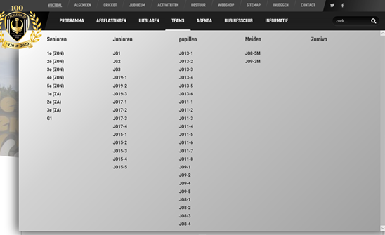
 |  |  | JO11-1 |  | JO9-1 | JO8-1 | 20 |  |  |  |  |  |  |  | JO11-1 |  | JO9-1 |  | 25
 |  |  | JO11-2 |  | JO9-2 | JO8-2
 |  |  | JO11-3 |  | JO9-3 | JO8-3
 |  |  | JO11-4 |  | JO9-4
 |  |  | JO11-5
 |  |  | JO11-6
 |  |  | JO11-7
 |  |  | JO11-8
230 |  |  | 100 |  | 60 | 50 | 20 |  |  |  |  | 25 |  |  | 15 |  | 10
Meiden |  |  |  |  | J08-3M | J08-5M |  |  |  |  |  | Meiden |  |  |  |  | 4 |  | 8

60 |  |  | 40 |  | 10 | 10 |  |  |  |  |  | 12 |  | 0 | 0 | 0 | 4 | 0 | 8
Subtotal | 290 | 0 | 140 | 0 | 70 | 60 | 20 |  |  |  |  | Subtotal | 37 | 0 | 15 | 0 | 14 | 0 | 8
TOTAL | 515 | 40 | 190 | 0 | 130 | 60 | 95 |  |  |  |  | TOTAL | 72 | 8 | 15 | 0 | 26 | 0 | 23

Number of Teams |  | 3 | 12 |  | 9 | 10
 |  |  |  |  |  | 34 |  |  |  |  |  |  |  |  |  |  |  |  | 5

Concordia
 | 12-18 | Onder 19 | Onder 17 | Onder 16 | Onder 15 | Onder 14 | Onder 13 | CONCORDIA DVS |  |  |  |  | 12-18 | Onder 19 | Onder 17 | Onder 16 | Onder 15 | Onder 14 | Onder 13
Jongens |  | JO19-1 | JO17-1 |  |  |  |  | Concordia DVS | 12-18 | 7-12 | total | Jongens
 |  | JO19-2 | JO17-2 |  |  |  |  | Jongens | 393 | 192 | 585
 |  | JO19-3 | JO17-3 |  |  |  |  | Meiden | 0 | 76 | 76
 |  | JO19-4 | JO17-4 |  |  |  |  |  | 393 | 268 | 661
 |  |  | JO17-5
 |  |  | JO17-6
393 |  | 67 | 86 |  | 80 | 80 | 80 |  |  |  |  | 0
Meiden |  |  |  |  |  |  |  | Concordia DVS | 12-18 | 7-12* | total | Meiden
 |  |  |  |  |  |  |  | Jongens | 0 | 0 | 0
0 |  |  |  |  |  |  |  | Meiden | 0 | 0 | 0 | 0 |  | 0 | 0 | 0 | 0 | 0 | 0
Subtotal | 393 | 67 | 86 | 0 | 80 | 80 | 80 |  | 0 | 0 | 0 | Subtotal | 0 | 0 | 0 | 0 | 0 | 0 | 0
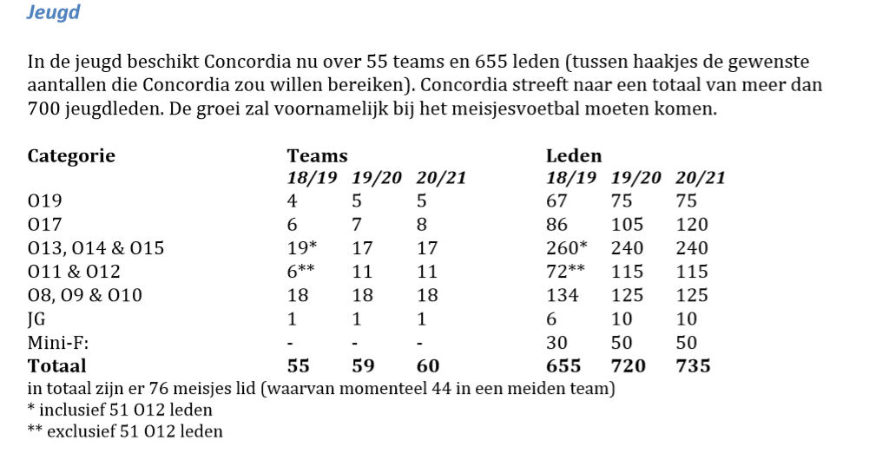
Jongens | 7 - 12 | Onder 12 | Onder 11 | Onder 10 | Onder 9 | Onder 8 | Onder 7 |  |  |  |  | Jongens | 7 - 12 | Onder 12 | Onder 11 | Onder 10 | Onder 9 | Onder 8 | Onder 7

192 |  | 30 | 30 | 32 | 35 | 35 | 30 |  |  |  |  | 0
Meiden |  |  |  |  |  |  |  |  |  |  |  | Meiden

76 |  | 0 | 44 | 32 |  |  |  |  |  |  |  | 0 |  | 0 | 0 | 0 | 0 | 0 | 0
Subtotal | 268 | 30 | 74 | 64 | 35 | 35 | 30 |  |  |  |  | Subtotal | 0 | 0 | 0 | 0 | 0 | 0 | 0
TOTAL | 661 | 97 | 160 | 64 | 115 | 115 | 110 |  |  |  |  | TOTAL | 0 | 0 | 0 | 0 | 0 | 0 | 0

Number of Teams |  | 4 | 6 | 19 | 24 |  |  |  |  |  |  |  |  |  |  |  |  |  | 0
 |  |  |  |  |  | 53

